Sheet1
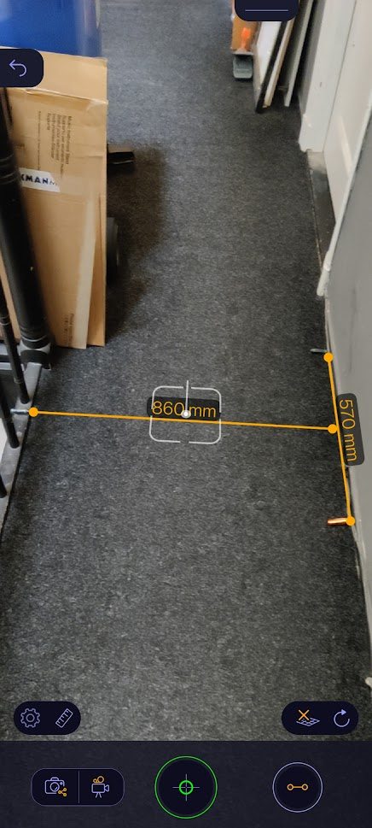
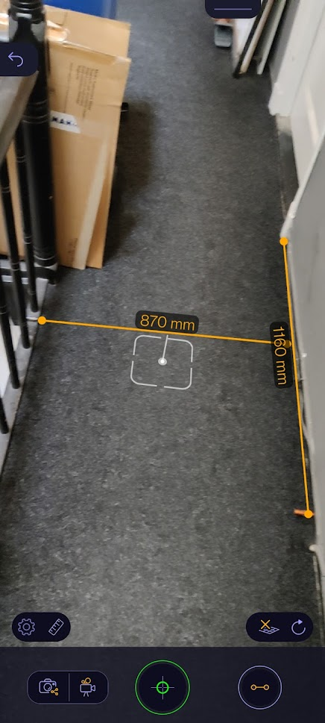
distance | 860
len1 | 1160 | 580
len2 | 570 | 285 |  | 2.0350877193 | aspect

angle1 | 0.59335014616 | 1.1867002923 | 67.992918297
angle2 | 0.32000535547 | 0.64001071094 | 36.66991258

pix1 | 1920
pix2 | 1080

angrel1 | 0.035412978279 | deg/pix
angrel2 | 0.033953622759 | deg/pix |  | 0.034683300519

angrel1 | 0.00061807306891 | rad/pix
angrel2 | 0.00059260251013 | rad/pix |  | 0.00060533778952

measure1 | 760 |  |  |  | 0.76 | 1.52
measure2 | 1160 |  | 1.5263157895 |  | 1.16 | 1.45

obs1 | 0.5
obs2 | 0.8 |  | 1.6

